strength_NY
Test: Logistic bimodel code: model_strength<- glm(
highest_strnt ~
unifm_prod_nm +
pat_age_nbr +
pri_spcl_desc +
provider_st_cd +
dosage_form_nm,
family = binomial,
data = RX_model
)
References:
antibiotic = "AMOXICILLIN"
provider state = "NY"
dosage form = "TABLET"
specialty = "NURSE PRACTITIONER"
Coefficients | Estimate | OR | Std. Error | z value | Pr(>|z|) | Significance | is_sig
(Intercept) | 2.2570 | 9.5544 | 0.2083 | 10.834 | < 2e-16 | *** | Y
pri_spcl_descPLASTIC SURGERY | 5.5420 | 255.1879 | 1.3590 | 4.079 | 0.0000 | *** | Y
unifm_prod_nmCLINDAMYCIN HCL | 7.5720 | 1943.0224 | 0.5097 | 14.857 | < 2e-16 | *** | Y
unifm_prod_nmPENICILLIN V POTASSIUM | 2.4550 | 11.6464 | 0.2576 | 9.533 | < 2e-16 | *** | Y
unifm_prod_nmSULFAMETHOXAZOLE-TRIMETHOPRIM | 1.2160 | 3.3737 | 0.1554 | 7.827 | 0.0000 | *** | Y
dosage_form_nmCAPSULE | -8.0850 | 0.0003 | 0.5092 | -15.876 | < 2e-16 | *** | N
pri_spcl_descDENTIST | -1.3350 | 0.2632 | 0.1435 | -9.305 | < 2e-16 | *** | N
pri_spcl_descORAL & MAXILLOFACIAL SURGERY | -1.4420 | 0.2365 | 0.2275 | -6.339 | 0.0000 | *** | N
provider_st_cdHI | -1.2870 | 0.2761 | 0.5348 | -2.407 | 0.0161 | * | N
provider_st_cdMI | -0.5473 | 0.5785 | 0.2417 | -2.265 | 0.0235 | * | N
provider_st_cdNE | -1.1210 | 0.3260 | 0.5573 | -2.011 | 0.0443 | * | N
provider_st_cdNM | -1.9520 | 0.1420 | 0.8196 | -2.382 | 0.0172 | * | N
provider_st_cdOH | -0.5051 | 0.6034 | 0.2346 | -2.154 | 0.0313 | * | N
provider_st_cdOR | -1.3380 | 0.2624 | 0.5996 | -2.232 | 0.0256 | * | N
provider_st_cdWI | -0.9873 | 0.3726 | 0.3989 | -2.475 | 0.0133 | * | N
unifm_prod_nmCEFUROXIME AXETIL | -1.1580 | 0.3141 | 0.1959 | -5.912 | 0.0000 | *** | N
unifm_prod_nmCEPHALEXIN | -3.8870 | 0.0205 | 0.7798 | -4.984 | 0.0000 | *** | N
unifm_prod_nmCIPROFLOXACIN HCL | -6.6730 | 0.0013 | 0.3087 | -21.618 | < 2e-16 | *** | N
unifm_prod_nmDOXYCYCLINE (MONOHYDRATE) | -6.2170 | 0.0020 | 0.7355 | -8.453 | < 2e-16 | *** | N
unifm_prod_nmLEVOFLOXACIN | -3.0460 | 0.0475 | 0.1413 | -21.551 | < 2e-16 | *** | N

ref
 |  | https://www.cdc.gov/antimicrobial-resistance-laboratory-networks/php/about/domestic.html
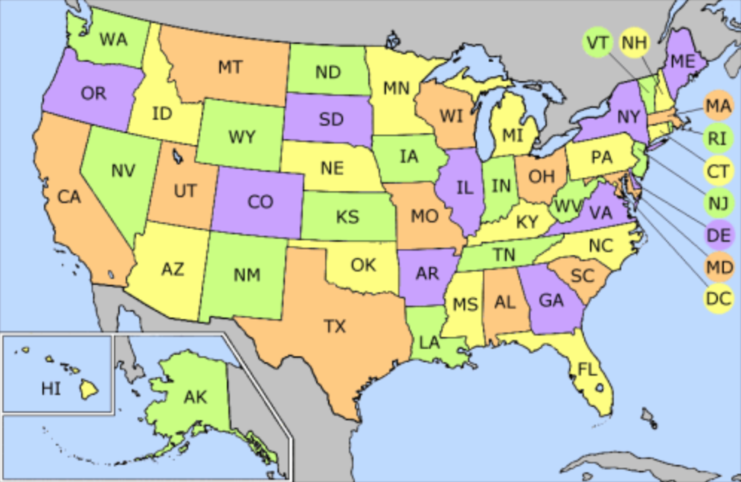
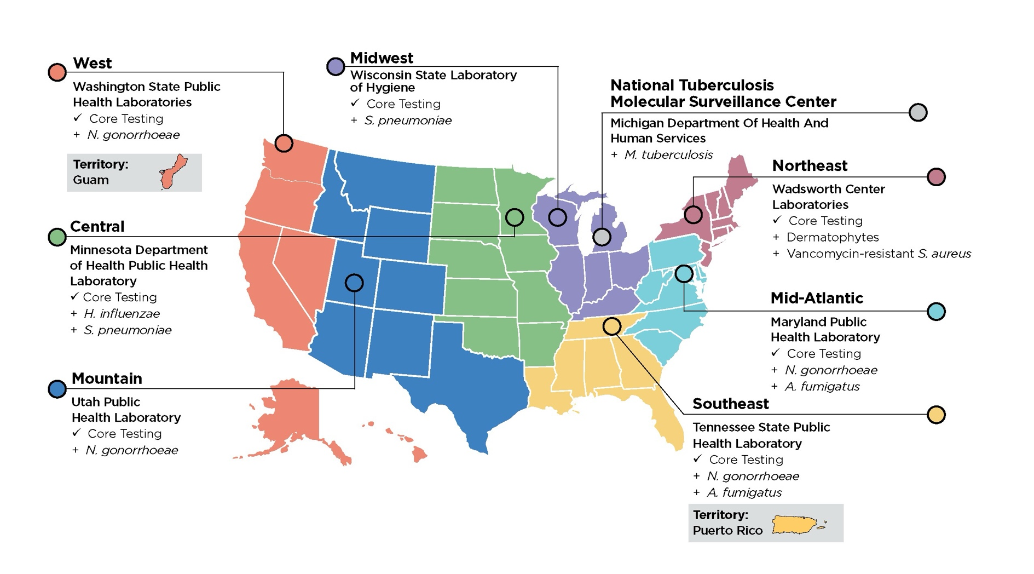



Cephalosporins | Cephalexin
Fluoroquinolones | Ciprofloxacin HCl
Macrolides | Azithromycin
Penicillins | Amoxicillin
Vancomycin | Vancomycin
Sulfonamides | Sulfamethoxazole & Trimethoprim

